Module 14
Main
 | Module 14 - Substantive testing 3: Performing and concluding on substantive procedures

 | ISA
 | 330
 | 450
 | 505
 | 530

 | TC AR modules 79, 20 - recommended to go back and read

 | Sampling
 | test whole population
 | select using judgement (significant items)
 | audit sampling

 | Statisitical and non-statistical sampling
 | condider the purpose of the audit procedures and the characteristic of the population
 | The population needs to be appropriate to the objective and complete

 | Stratification or value weighting
 | consider if this is appropriate
 | reduce sample sizes why maintaining low audit risk
 | this can be done by intelligently sampling
 | based on stratificiation or MUS
 | stratify into the riskier areas and non risky and perform a higher extent of testing on the risker listign

 | Payables sampling
 | checking listing for completeness
 | suppliers with large balances at the date circularised
 | suppliers with large year end balances
 | suppliers with large balances at other times during the year
 | Major suppliers identified in previous years and recorded on the auditor's permenant file
 | Suppliers with nil or dr balances
 | suppliers with balances not in line with expectations
 | suppliers of services or fixed assets should be considered for selection, even where their accounts are not maintained in the purchase ledger
 | a sample of the other suppliers

 | Determine the level of tolerable mistatement

 | equivalent for test of controls is the tolerable amount of deviation

 | sample size driven by the level of risk
 | higher risk - higher sample size

 | each sampling unit should have a chance of being selected

 | explain professional judgements made
 | mus test all samples selected
 | once have sample size, must test all selected

 | if exeptions
 | are there any alternative procedures to get assurance
 | otherwise, treat it as a mistatement
 | put it to the schedule of mistatements

 | can either extend either over a sub-population or the entire population

 | project the mistatement to the entire population
 | extrapolated error

 | if the error is from within a stratified population, only extrapolate across the stratified population

 | 5600

 | compare the ectrapolated mistatement to the tolerable error (CTT) and compare if mistatement or not

 | test specific 10 largest customers as higher risk
 | the remaining 40% of debtors can be treated as low risk
 | think about risk as well as the quantity of amount owed

 | stratify by aging. Higher risk for the older invoices

 | any balance greater than PM - should probably be tested
 | this is not actually required, but is usually firm policy

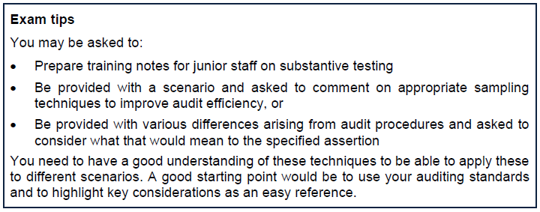

 | Minimise audit risk and minimise audit work
 | this is audit efficiency

 | Design and perform could be an exam 40 marker
 | adapt and tailor procedures to effectively address the audit risk
 | only perform procedures on the information provided

 | 497
 | TA AR module 9 - tipping off

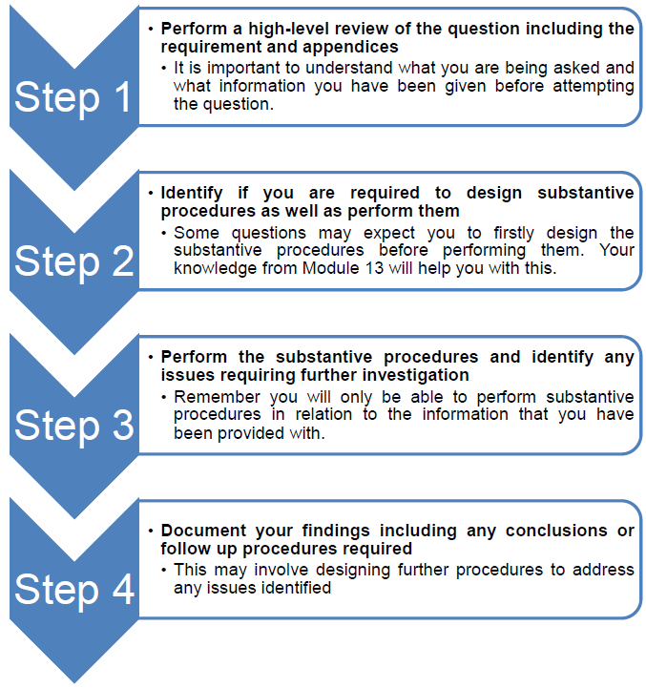

 | Audit workpaper's have tickmsrk. A key for the tickmarks must be provided in the working papers

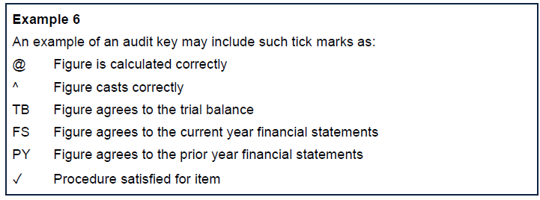

 | e.g. if writing CT - need to include a key to say that means clearly trivial

 | Rollforward procedures
 | if we are perfroming interim procdures. We need to roll these forward at YE
 | i.e. - test the last 3 months

 | • The control environment and other relevant controls
 | • The availability of information at a later date that is necessary for the auditor's procedures
 | • The purpose of the substantive procedure
 | • The risk of material misstatement
 | • The nature of the figure being tested and related assertions
 | • The ability of the auditor to perform substantive procedures (or substantive procedures and control tests) to cover the remaining period

 | Roll forward procedures for trade payables

 | Activity 2: Additional audit procedures
 | Analytical review procedures
 | Analytical review should be undertaken to form an expectation of the year end trade
 | payables balance. Purchases for September would be added to payables and
 | payments made deducted to estimate the year-end balance. Purchases should be
 | reviewed against budget and prior years. Any unexplained differences should be
 | investigated.
 | Review of aged payables ledger
 | The ledger should be inspected to identify and investigate any unusual transactions,
 | for example journal entries or other entries such as one-off adjustments to the ledger.
 | Review of year end trade payables ledger reconciliation
 | Obtain year-end reconciliation. Re-calculate the reconciliation (with agreement to the
 | trial balance and payables ledger) and inspect and verify the reconciling items.
 | Substantive testing of GRNs
 | Select samples of goods received notes from the roll-forward period and agree to
 | invoices received. Ensure each of the invoices are correctly posted to the purchase
 | ledger. If invoice not received at year end, ensure included in GRNI accrual.
 | Substantive testing cash payments
 | Select a sample of payments made in the roll-forward period and agree to bank
 | statements and any communication with the supplier.
 | Credit notes
 | Select a sample of credit notes posted during September and agree to the physical
 | credit note to confirm validity.

 | Activity 3

 | Remember to only test what you are given

 | Trade receivables circularisation
 | best tests for existence, classificiaiton and R&O is to request a sampple of the client's custoemrs to confirm their outtstanding balances directly to the auditor
 | external auditor must control every step in the confimation processs

 | Where there is a non-response, despite a follow up, the auditor should perform
 | alternative verification procedures. Alternative procedures include the following:
 | • Checking outstanding invoices to supporting documentation sufficient to prove the debt (i.e., invoices, signed delivery notes and orders)
 | • Examining bank statements to verify subsequent receipt of invoices outstanding balances

 | Can tolerate acceptable timing differences

 | If mgmt refuse the auditor to send reveivables confimation letters. This is a limitation imposed by management
 | the auditor needs to enquire about reasons for this refusal
 | if there is a valid reason i.e. in dispute and a confirmation would hamper the outcome of proceedings
 | audotir should:
 | corroborate reasons for the refusal
 | consider whether the reasons are reasonable, if not, re-assess the ROMM and consider whether this increases fraud risk
 | Perform alternative procedures

 | Activity 4

 | Stock count follow-up

 | completeness - does it exist at year end
 | existanece - compare the items counted

 | Do activity 5

 | Payroll
 | A lot of fraud in payroll
 | shost employees
 | very high risk of fraud with payroll

 | Activity 6
 | YE | 2025-03-31

 | Inspect
 | Confrimation
 | AR
 | re-calc
 | enquiry

 | Outstanding matters
 | any matters outstanding at year must be concluded on before issuing the audit report
 | this is all part of the auditor's repsonsibility to collect sufficicient and appropriate audit evidence
 | Outstanding matters may include such items as:
 | • Evidence not yet provided by client;
 | • Missing evidence;
 | • Evidence received after the conclusion of the final audit visit; or
 | • Ongoing matters that may affect the financial statements.
 | •review points

 | be very concise about answering the question and nothing more
 | identify | 0.5 | mark
 | analyse | 1 | mark

 | in order to complete the audit and issue the audit report all outstanding matters must be resolved
 | address the elements included in the chat as well as the appendices

 | Activity 7

 | Summary of audit mistsatements
 | do we need to revise procedures in light of changes or mistatements identified

 | raise and adjustment for mistatements
 | extend the testing or audit procedures. Or introduce new audit procedures
 | raise a control deficiency to disclose to TCWG

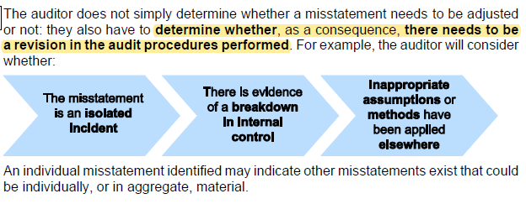

 | ISA 540 requires we communicate all mistatements recorded on the SAM
 | and request they are corrected
 | material corrections have to be posted
 | else, we issue a qualified audit report

 | Once corrections have been made, the auditor will re-evaluate the risk of material
 | misstatement taking these changes into consideration, focusing on both individual
 | items (transactions, balances and disclosures) and the financial statements overall,
 | ensuring that reporting materiality is calculated based on the effect of any adjustments made.

 | once the adjustments are posted. Re-assess the ROMM. Both individual and FS
 | then remeasure materiality based on the effect of judgements made
 | so if materiality was too high to begin with

 | any uncorrected mistatement need to be considerd on their own and in aggregate to determine if they affect the financial statements

 | Material in nature

 | Factors may exist that make misstatements material by their nature rather than their
 | value, such as:
 | · Circumstances that affect the company's compliance with regulatory
 | requirements and/or debt covenants
 | · Circumstances that distort the company's financial ratios
 | · Accounting policies that do not lead to material misstatement but may set
 | precedents that cumulatively become material in future
 | •Conditions that increase management compensation (such as profit-related
 | pay) by achieving certain targets

 | if something happens, meaning the director's get a bonus - needs to be looked into
 | if the adjustment woud swing from a profit to a loss, then it is material in nature

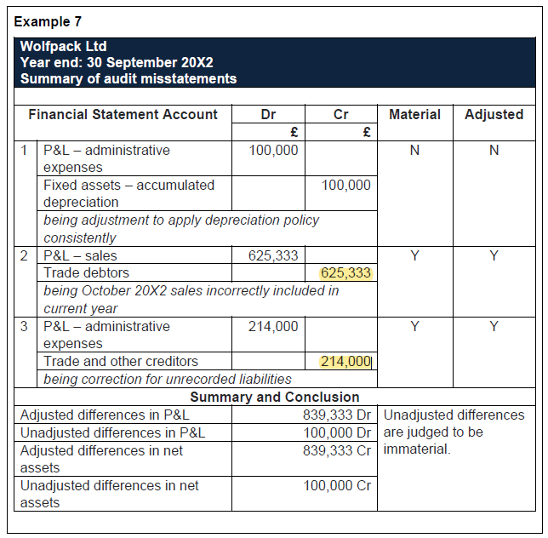

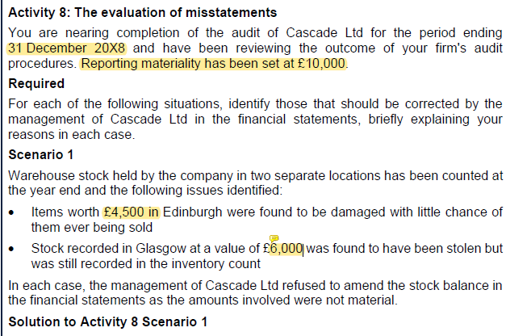

 | The mistatements are material in aggregate. So one of them must be corrected.
 | TBC the examples below

ACTY14.3
Main

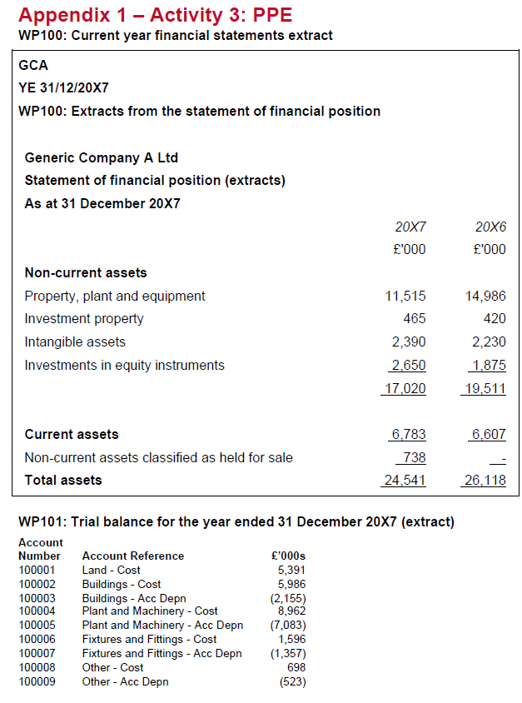
 | Activity 3
 | YE | 2017-12-31
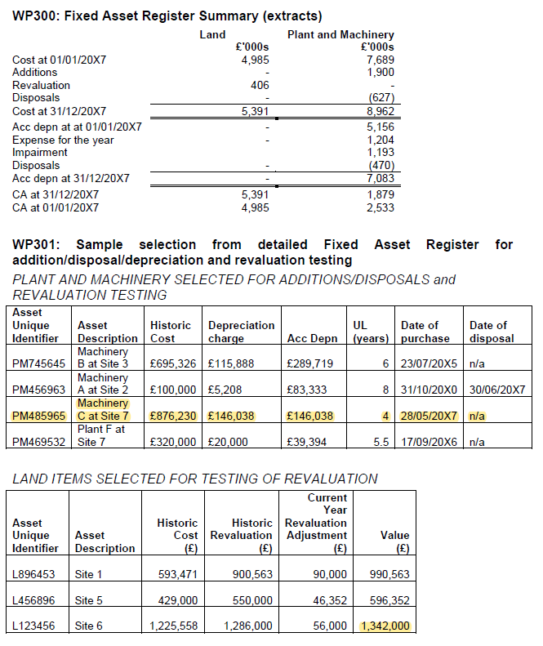
 | different depr rates
 | good ITGCs

 |  | TB 31/12/2017
 | Land - Cost | 5,391
 | Buildings - Cost | 5,986
 | Buildings - Acc Depn | -2,155
 | Plant and Machinery - Cost | 8,962
 | Plant and Machinery - Acc Depn | -7,083
 | Fixtures and Fittings - Cost | 1,596
 | Fixtures and Fittings - Acc Depn | -1,357
 | Other - Cost | 698
 | Other - Acc Depn | -523
 | TB | 11,515
 | FS | 11,515

 | Standard tests | Procedures and documentation
 | Agree closing balance per the TB to the financial statements | Agreed
 | Agree brought forwarf balancee to last year's audited statemnts | n/a in this scenario
 | Cast the FAR summary and underlying asset listing | WP300 – no issues noted
 | Ensure accounting policies are reasonable and outline all accounting standards. | n/a - confirmed in question
 | Ensure PPE is disclosed in accordance with IAS 16 Property, Plant and Equipment via a disclosure checklist. | n/a not required as per scenario
 | Analytical review proceures | n/a - not required as per scenario
 | Additions Select a sample of additions from the FAR and review their classification under the asset categories. | Asset PM485965 was purchased in the period. No evidence to suggest inappropriate classification based on invoice description. No issues noted.
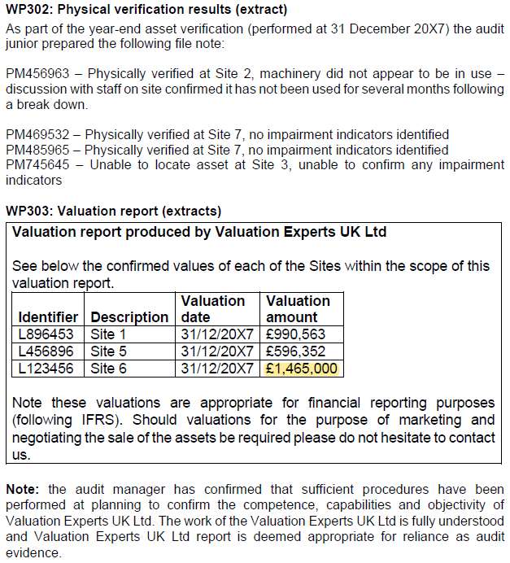
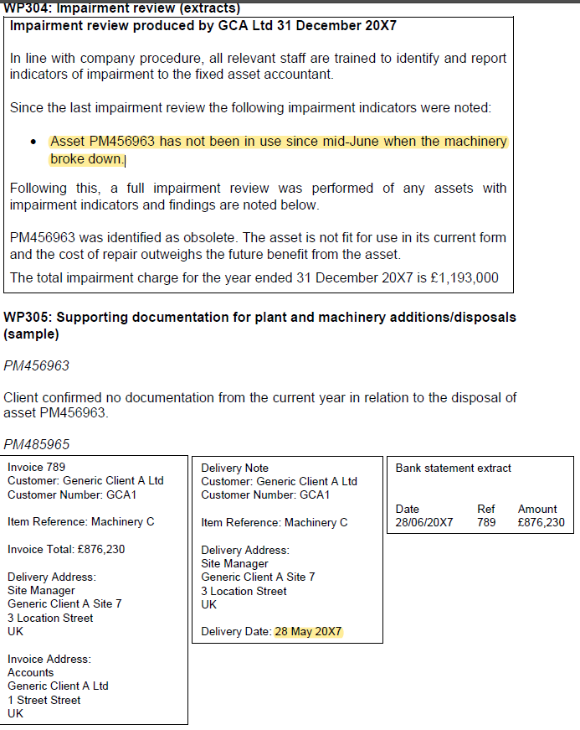
 | Agree material additions in the FAR to bank statements, purchase invoice and/ or lease agreement. Confirm that the purchase date is recorded at the correct date in the FAR. | Asset PM485965 was purchased in the period. Asset agreed to invoice (amount and description) and delivery note (date) and bank statement (amount). No issues noted.
 | Disposals Agree material disposals recorded in the FAR to bank statements, sales invoice, and/ or trade-in documentation to ensure the amount is recorded correctly. | Asset PM456963 was identified as disposed of in the year. The client confirmed that there was no documentation from the current year in relation to this asset. However, asset was physically verified at Site 2 on 31 December 20X7 indicating it was not disposed of in the year and should still be included on the fixed asset register. Issue noted requiring further investigation (see impairment testing).
 | Review minutes and bank statement for evidence of disposals during year and ensure these are correctly reflected in the FAR. | n/a – information not provided
 | Ensure disposals are properly accounted for and recalculate gain/loss calculation. | n/a – information not provided
 | Depreciation Review the policy for depreciation for appropriateness and ensure in line with industry comparatives. Consider whether the policy is appropriate given the level of gains/losses on assets sold during the year and the level of fully written-down assets. | n/a – confirmed in question
 | Recalculate depreciation charge for a sample of assets ensuring that it is being applied consistently and in accordance with IAS 16 Property, Plant and Equipment. | The depreciation on asset PM469532 does not appear reasonable. Based on a UL of 5.5 years, the expected charge for the year is £58,182 (320k/5.5) but the charge per the sample is £20,000. Issue noted requiring further investigation.
 | Revaluations Ensure any revaluations are accounted for appropriately and agree valuations to surveyor's/ valuer's report. | Three assets were included in the revaluations sample. No issues were identified with assets L896453 and L456896. Asset L123456 was valued at £1,465k per the expert’s report but was recorded at £1,342k in the Fixed Asset Register. Issue noted requiring further investigation.
 | Impairment Review physical condition of PPE and consider indicators of impairment. | PM456963 considered below. Asset PM745645 could not be located and therefore no impairment review conducted. Further investigation required.
 | Review calculations of impairments for reasonableness and consider if further write-downs are required. | The total impairment charge for plant and machinery per management impairment review documentation agrees to the total per extract from fixed asset register. However more detail is required as to what this consists of as we only have information regarding asset PM456963. Further investigation required to assess the value of PM456963 (asset should be included on FAR at value of 0 or recoverable value).
 | Own work capitalised | n/a – no own work capitalised
 | Closing balances Select a sample of assets from the FAR and physically verify. | PM469532 and PM485965 were successfully verified. PM456963 was verified despite being recorded as ‘disposed of’ during the year. We are aware that this asset has been impaired by management and requires further investigation. PM745645 could not be located and issue noted requiring further investigation.
 | Select a sample of assets from the client's premises and agree these to the FAR. | n/a – no information provided
 | Select a sample of assets from the FAR and check title by reference to the title deeds, etc. | For asset PM485965 the invoice and delivery note were both inspected and noted as in the name of GCA. No issues noted.

ACTY14.5
Main
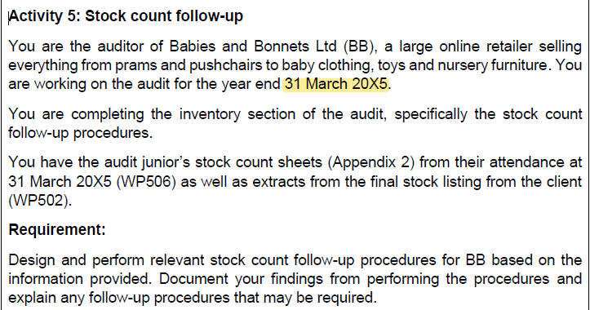

 | Activity 5: Stock count follow-up
 | Procedure: Agree test counts performed at the stock take and copies of client stock
 | count sheets to the detailed inventory listing and investigate all differences.
 | Findings:
 | • Item L787878: This item was included in the floor to sheet sample with a quantity
 | of 50 at the client’s receiving bay but has been omitted from the stock listing
 | • Item P786132: During the stock count a quantity of 1,051 was marked by the audit
 | junior which was a discrepancy from the client’s system. This was updated by the
 | client during the count and observed by the audit junior but a discrepancy of 36 is
 | noted between the quantity on the count sheet and the stock listing (1,015).
 | • Items X48964 and Y785264: The items were noted during the stock count as being
 | located in the receiving bay and packing bay respectively but are marked as the
 | warehouse on the stock listing.
 | • No issues noted with the remaining items
 | Procedure: Agree items identified as spoiled, slow-moving or obsolete during the
 | stock take to the final detailed inventory listing and ensure these have been identified
 | as such.
 | Findings:
 | • Item K56456: It was noted during the count by the audit junior that 2 boxes of 10
 | (20 items) were water damaged. No indication of any damage or obsolescence is
 | marked on the stock listing.
 | • Item Y785264: It was noted this item was damaged at the stock count. The stock
 | listing identified these items as damaged.
 | • Item I754863: It was noted that this item was found at the back of the warehouse
 | and very dusty which may suggest the item is not often used. The item was marked
 | as ‘slow-moving’ on the stock listing.
 | • No other issues were noted in relation to the remaining items included in the count.
 | Follow-up procedures:
 | • All issues identified should be discussed with the client to understand the reason
 | that the differences have arisen.
 | • For item L787878 the goods received note and invoice should be obtained and
 | inspected, including reviewing the terms and conditions in relation to ownership
 | transfer between BB and the supplier to establish whether BB has the right to
 | recognise the stock items at the year end. It is possible that the item was received
 | on 31 March into the receiving bay but was not recorded onto the stock listing until
 | after this date.
 | • For item P786132 we should obtain the client’s stock count sheet to confirm the
 | quantity counted by the client at year end. If unresolved, a count could be performed
 | at today’s date and ‘rolled-backwards’ to establish the correct year-end position.
 | • Items X48964 and Y785264 do not result in a misstatement in relation to the
 | quantity or value of stock, but could be highlighted to management to make them
 | aware that the stock location per the system may not be accurate.
 | • Items I754863 and Y785264 should be traced to the stock provision to confirm
 | items are appropriately valued. These valuations should be discussed with the
 | client and traced to supporting documentation such as post-year-end sales invoices
 | or scrapping documentation if available
 | • Item K56456 should be discussed with the client to understand why this item has
 | not been marked as partially damaged. Further investigation may be required to
 | investigate the ability to sell these items in the future and therefore ascertain the
 | value of the damaged items.

ACTY14.6
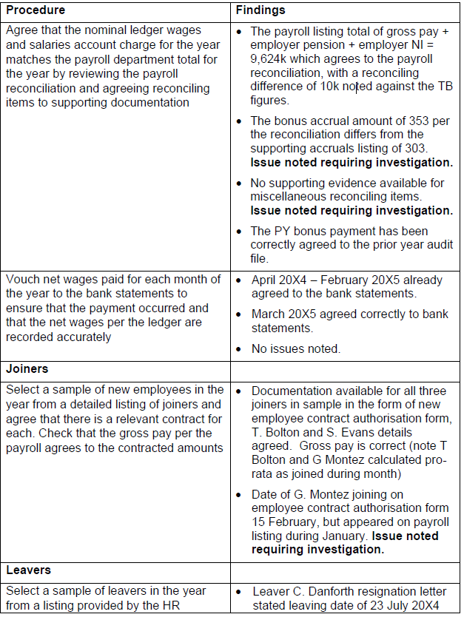
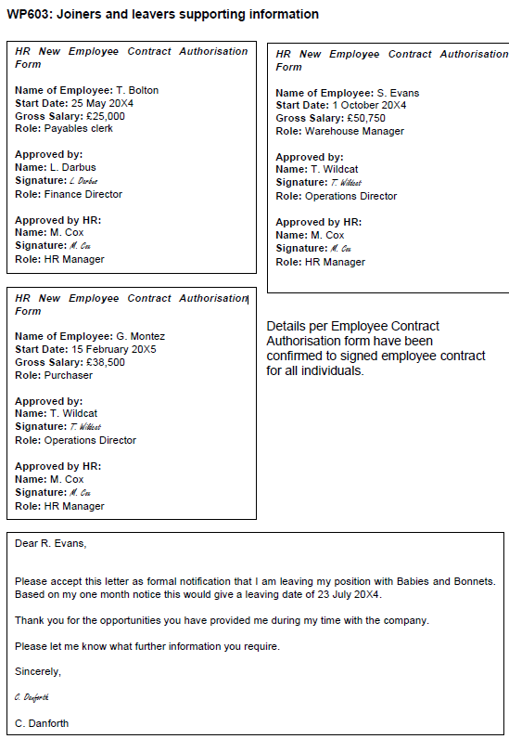
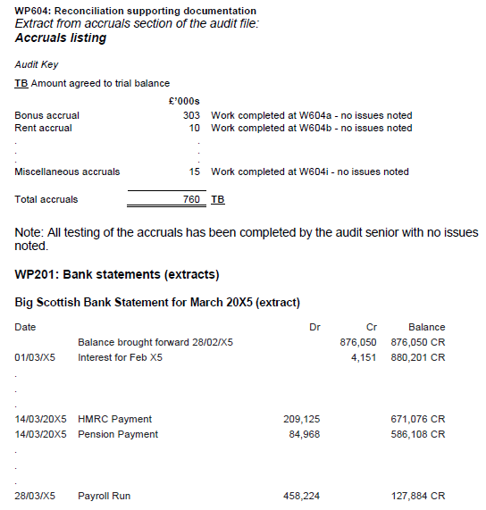
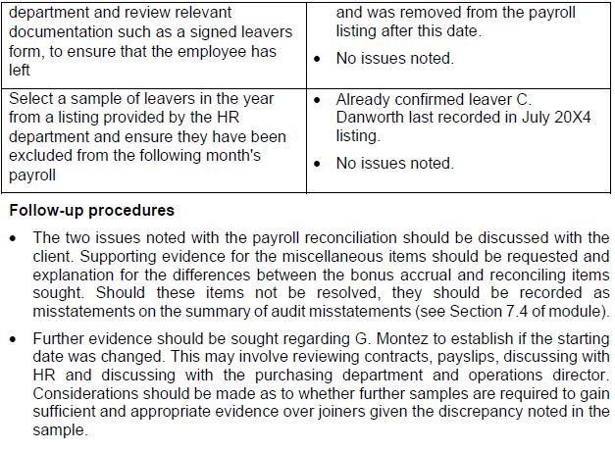
Main
 | Activity 6: Payroll
 | The solution below includes detail of key procedures that can be performed based on
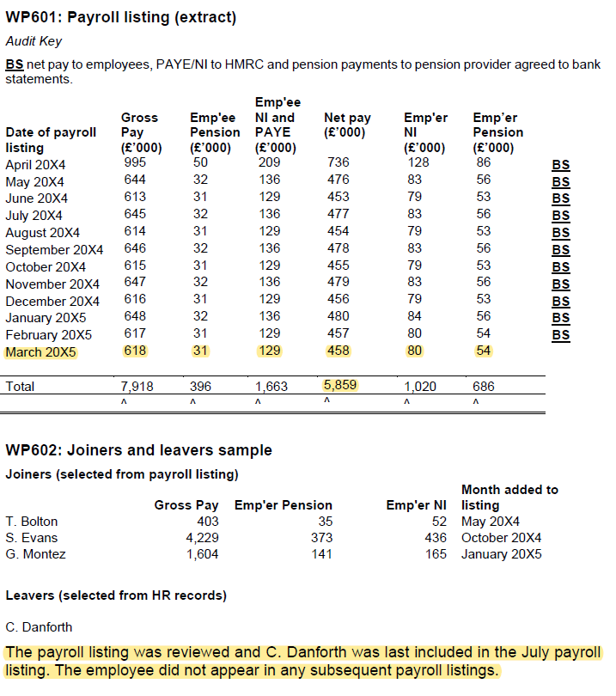
 | the information provided. Per the supporting work papers a number of checks had
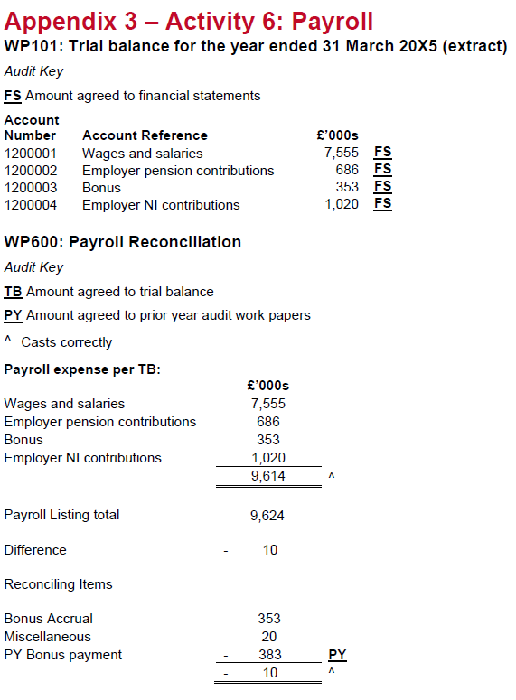
 | already been completed and therefore are not covered. As covered in the module you
 | can only perform procedures based on the information available. However other
 | procedures normally covered as part of payroll testing would still take place during a
 | real audit and relevant evidence would be gathered by the auditor as required.

